puzzle
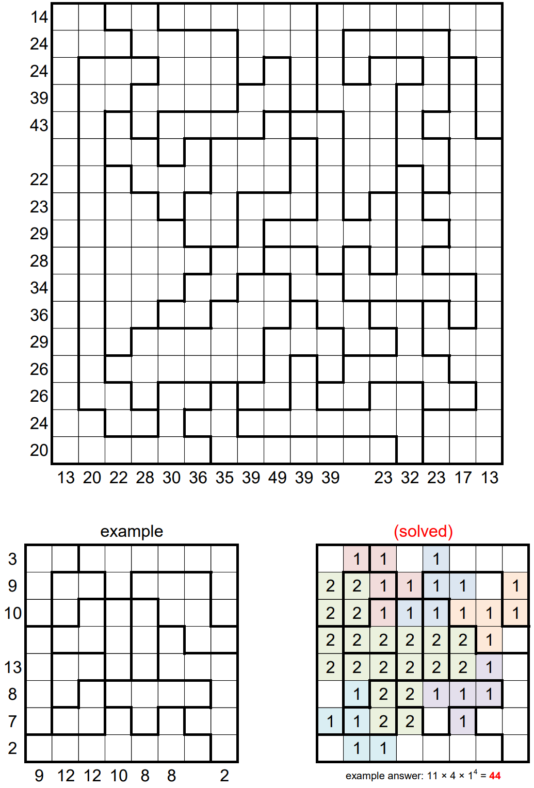
 | 13 | 20 | 22 | 28 | 30 | 36 | 35 | 39 | 49 | 39 | 39 | 22 | 23 | 32 | 23 | 17 | 13
14 | 0 | 1 | 0 | 0 | 1 | 1 | 3 | 3 | 3 | 0 | 0 | 0 | 0 | 0 | 1 | 1 | 0 | 14 |  | 14
24 | 1 | 1 | 1 | 1 | 1 | 0 | 3 | 3 | 3 | 0 | 0 | 2 | 2 | 2 | 2 | 1 | 1 | 24 |  | 24 |  |  |  |  |  |  |  |  |  |  |  |  |  |  |  |  |  | 10
24 | 1 | 0 | 0 | 0 | 1 | 0 | 3 | 3 | 3 | 2 | 2 | 2 | 2 | 2 | 2 | 1 | 0 | 24 |  | 24 |  |  |  |  |  |  |  |  |  |  |  |  |  |  |  |  |  | 272 | 210
39 | 3 | 3 | 3 | 3 | 3 | 3 | 3 | 3 | 3 | 2 | 2 | 0 | 0 | 2 | 2 | 2 | 2 | 39 |  | 39 |  |  |  |  |  |  |  |  |  |  |  |  |  |  |  |  |  | 24 | 62
43 | 3 | 3 | 3 | 3 | 3 | 3 | 3 | 3 | 3 | 2 | 2 | 2 | 2 | 2 | 2 | 2 | 2 | 43 |  | 43
39 | 3 | 3 | 3 | 3 | 3 | 3 | 3 | 3 | 3 | 2 | 2 | 2 | 2 | 2 | 2 | 0 | 0 | 39 |  | 39 |  |  |  |  |  |  |  |  |  |  |  |  |  |  |  |  |  | 458 | 441
22 | 0 | 1 | 0 | 3 | 3 | 3 | 0 | 2 | 2 | 2 | 2 | 0 | 0 | 2 | 2 | 0 | 0 | 22 |  | 22 |  |  |  |  |  |  |  |  |  |  |  |  |  |  |  |  |  | 19
23 | 0 | 1 | 1 | 3 | 3 | 3 | 0 | 2 | 2 | 2 | 2 | 0 | 0 | 2 | 2 | 0 | 0 | 23 |  | 23 |  |  |  |  |  |  |  |  |  |  |  |  |  |  |  |  |  | 12 |  | 480
29 | 1 | 1 | 1 | 3 | 3 | 3 | 2 | 2 | 3 | 3 | 3 | 0 | 0 | 2 | 2 | 0 | 0 | 29 |  | 29
28 | 0 | 1 | 1 | 1 | 0 | 0 | 2 | 2 | 3 | 3 | 3 | 2 | 2 | 2 | 2 | 2 | 2 | 28 |  | 28 |  |  |  |  |  |  |  |  |  |  |  |  |  |  |  |  |  | 458 + blank col = 20*box val
34 | 0 | 1 | 2 | 2 | 2 | 2 | 2 | 2 | 3 | 3 | 3 | 2 | 2 | 2 | 2 | 2 | 2 | 34 |  | 34 |  |  |  |  |  |  |  |  |  |  |  |  |  |  |  |  |  | 441 + blank row = 20*box val
36 | 1 | 1 | 2 | 2 | 2 | 2 | 2 | 2 | 3 | 3 | 3 | 3 | 3 | 3 | 0 | 2 | 2 | 36 |  | 36 |  |  |  |  |  |  |  |  |  |  |  |  |  |  |  |  |  | 17 = blank col - blank row
29 | 0 | 1 | 1 | 1 | 2 | 2 | 0 | 0 | 3 | 3 | 3 | 3 | 3 | 3 | 0 | 2 | 2 | 29 |  | 29
26 | 0 | 1 | 1 | 1 | 2 | 2 | 0 | 0 | 3 | 3 | 3 | 3 | 3 | 3 | 1 | 0 | 0 | 26 |  | 26 |  |  |  |  |  |  |  |  |  |  |  |  |  |  |  |  |  | col total | 22
26 | 0 | 1 | 1 | 1 | 1 | 3 | 3 | 3 | 3 | 3 | 3 | 0 | 1 | 1 | 1 | 1 | 0 | 26 |  | 26 |  |  |  |  |  |  |  |  |  |  |  |  |  |  |  |  |  | row total | 39
24 | 0 | 0 | 1 | 1 | 0 | 3 | 3 | 3 | 3 | 3 | 3 | 1 | 1 | 1 | 0 | 1 | 0 | 24 |  | 24
20 | 0 | 0 | 1 | 0 | 0 | 3 | 3 | 3 | 3 | 3 | 3 | 0 | 0 | 1 | 0 | 0 | 0 | 20 |  | 20
 | 13 | 20 | 22 | 28 | 30 | 36 | 35 | 39 | 49 | 39 | 39 | 22 | 23 | 32 | 23 | 17 | 13 |  |  |  | 13 | 20 | 22 | 28 | 30 | 36 | 35 | 39 | 49 | 39 | 39 | 22 | 23 | 32 | 23 | 17 | 13
 |  |  |  |  |  |  |  |  |  |  |  |  |  |  |  |  |  |  |  |  |  |  |  |  |  |  |  |  |  |  |  |  |  |  |  |  |  | 108 | 39
 |  |  |  |  |  |  |  |  |  |  |  |  |  |  |  |  |  |  |  |  |  |  |  |  |  |  |  |  |  |  |  |  |  |  |  |  |  | 3 | 69
Rules: |  |  |  |  |  |  |  |  |  |  |  |  |  |  |  |  |  |  | Notes:
Place some non-overlapping “F”-shaped pentominos into the grid. Pentominos can be rotated, reflected, and enlarged. Place a 1 inside each square in an unenlarged pentomino. For a pentomino that has been enlarged by a factor of N > 1, place an N inside each square. The sum of the numbered squares inside each outlined region must be the same. A number outside the grid represents the sum of all numbered squares in the corresponding row or column of the completed grid. |  |  |  |  |  |  |  |  |  |  |  |  |  |  |  |  |  |  | 17x17 grid
 |  |  |  |  |  |  |  |  |  |  |  |  |  |  |  |  |  |  | smallest box 8 cells
 |  |  |  |  |  |  |  |  |  |  |  |  |  |  |  |  |  |  | largest box 31 cells
 |  |  |  |  |  |  |  |  |  |  |  |  |  |  |  |  |  |  | 20 boxes, 17x17=289 cells, avg 15.2 per box
 |  |  |  |  |  |  |  |  |  |  |  |  |  |  |  |  |  |  | box total cant be higher than 24 (all 3s x 8 cells)
 |  |  |  |  |  |  |  |  |  |  |  |  |  |  |  |  |  |  | atleast enlargement of 3 (2*17 < 49)
 |  |  |  |  |  |  |  |  |  |  |  |  |  |  |  |  |  |  | enlargment < 4 (sums outside not big enough for three 4x4 boxes of 4s)
 |  |  |  |  |  |  |  |  |  |  |  |  |  |  |  |  |  |  | there is an enlargment of 3, atleast 2, max 3
 |  |  |  |  |  |  |  |  |  |  |  |  |  |  |  |  |  |  | 49 needs atleast 15 3s in column
 |  |  |  |  |  |  |  |  |  |  |  |  |  |  |  |  |  |  | must be atleast two regions of threes
solution: |  |  | 346816512 |  |  |  |  |  |  |  |  |  |  |  |  |  |  |  | atleast 30 3s in columns of 36,35,39,49,39,39
 |  |  |  |  |  |  |  |  |  |  |  |  |  |  |  |  |  |  | box total atleast 17
 |  |  |  |  |  |  |  |  |  |  |  |  |  |  |  |  |  |  | box of 8 must contain a 3
 |  |  |  |  |  |  |  |  |  |  |  |  |  |  |  |  |  |  | 49 column is all pentomino/non-zeros, has 15 3s, 2 2s
 |  |  |  |  |  |  |  |  |  |  |  |  |  |  |  |  |  |  | 43 row needs atleast 9 3s, at most 12
 |  |  |  |  |  |  |  |  |  |  |  |  |  |  |  |  |  |  | all rows/cols must have multiple of 3 3s, 2 2s
 |  |  |  |  |  |  |  |  |  |  |  |  |  |  |  |  |  |  | box total atleast 21
 |  |  |  |  |  |  |  |  |  |  |  |  |  |  |  |  |  |  | boxes of 8 cells contain atleast 5 3s
 |  |  |  |  |  |  |  |  |  |  |  |  |  |  |  |  |  |  | box total 23 or 24 (sum of col totals must be less than 20* box value
 |  |  |  |  |  |  |  |  |  |  |  |  |  |  |  |  |  |  | box total is 24 (if 23, empty col must sum to 2 but eight but has two cells in that column that must be atleast 5)
 |  |  |  |  |  |  |  |  |  |  |  |  |  |  |  |  |  |  | must be two boxes of three in bottom three rows (one box wont work with other 3s, 3 boxes makes sums too large)

